Chart_1
Chart 1: Population aged 90 and over by sex, Scotland: mid-1981 to mid-2021
Back to Table of contents

 | Persons | Females | Males
1981 | 13,570 | 10,860 | 2,710
1982 | 13,710 | 10,980 | 2,730
1983 | 14,190 | 11,430 | 2,760
1984 | 14,560 | 11,710 | 2,850
1985 | 15,000 | 12,010 | 2,990
1986 | 15,210 | 12,270 | 2,940
1987 | 16,030 | 13,040 | 2,990
1988 | 16,700 | 13,640 | 3,060
1989 | 17,380 | 14,230 | 3,150
1990 | 18,150 | 14,880 | 3,270
1991 | 19,460 | 16,130 | 3,330
1992 | 20,680 | 16,980 | 3,700
1993 | 21,720 | 17,780 | 3,940
1994 | 22,480 | 18,360 | 4,120
1995 | 23,570 | 19,150 | 4,420
1996 | 24,360 | 19,730 | 4,630
1997 | 25,010 | 20,170 | 4,840
1998 | 26,090 | 20,890 | 5,200
1999 | 27,090 | 21,570 | 5,520
2000 | 28,290 | 22,350 | 5,940
2001 | 29,390 | 23,020 | 6,370
2002 | 29,670 | 23,170 | 6,500
2003 | 29,860 | 23,190 | 6,670
2004 | 30,170 | 23,400 | 6,770
2005 | 30,610 | 23,590 | 7,020
2006 | 30,640 | 23,550 | 7,090
2007 | 29,850 | 22,850 | 7,000
2008 | 29,140 | 22,240 | 6,900
2009 | 29,070 | 22,030 | 7,040
2010 | 32,440 | 24,360 | 8,080
2011 | 35,170 | 26,120 | 9,050
2012 | 36,900 | 27,060 | 9,840
2013 | 37,690 | 27,370 | 10,320
2014 | 39,560 | 28,570 | 10,990
2015 | 39,790 | 28,370 | 11,420
2016 | 41,070 | 29,050 | 12,020
2017 | 41,730 | 29,340 | 12,390
2018 | 41,930 | 29,310 | 12,620
2019 | 43,660 | 30,250 | 13,410
2020 | 43,750 | 30,090 | 13,660
2021 | 45,320 | 30,900 | 14,420

Persons

Females

Males

Chart_2
Chart 2: Centenarians by sex, Scotland: mid-1981 to mid-2021
Back to Table of contents

 | Persons | Females | Males
1981 | 170 | 160 | 10
1982 | 180 | 170 | 10
1983 | 210 | 180 | 30
1984 | 220 | 200 | 20
1985 | 240 | 210 | 30
1986 | 240 | 210 | 30
1987 | 250 | 230 | 20
1988 | 300 | 270 | 30
1989 | 320 | 270 | 50
1990 | 250 | 230 | 20
1991 | 280 | 250 | 30
1992 | 330 | 290 | 40
1993 | 330 | 300 | 30
1994 | 360 | 330 | 30
1995 | 380 | 350 | 30
1996 | 400 | 370 | 30
1997 | 390 | 350 | 40
1998 | 440 | 400 | 40
1999 | 390 | 360 | 30
2000 | 470 | 430 | 40
2001 | 500 | 450 | 50
2002 | 580 | 520 | 60
2003 | 570 | 500 | 70
2004 | 560 | 500 | 60
2005 | 560 | 510 | 50
2006 | 590 | 540 | 50
2007 | 610 | 530 | 80
2008 | 690 | 590 | 100
2009 | 750 | 650 | 100
2010 | 730 | 640 | 90
2011 | 780 | 690 | 90
2012 | 780 | 670 | 110
2013 | 830 | 710 | 120
2014 | 910 | 790 | 120
2015 | 900 | 740 | 160
2016 | 900 | 720 | 180
2017 | 840 | 690 | 150
2018 | 800 | 660 | 140
2019 | 820 | 670 | 150
2020 | 900 | 710 | 190
2021 | 1,040 | 820 | 220

Persons

Females

Males

Chart_3
Chart 3: Centenarians per 10,000 population by sex, Scotland: mid-1981 to mid-2021
Back to Table of contents
 | Persons | Females | Males
1981 | 0.3 | 0.6 | 0.0
1982 | 0.3 | 0.6 | 0.0
1983 | 0.4 | 0.7 | 0.1
1984 | 0.4 | 0.8 | 0.1
1985 | 0.5 | 0.8 | 0.1
1986 | 0.5 | 0.8 | 0.1
1987 | 0.5 | 0.9 | 0.1
1988 | 0.6 | 1.0 | 0.1
1989 | 0.6 | 1.0 | 0.2
1990 | 0.5 | 0.9 | 0.1
1991 | 0.6 | 0.9 | 0.1
1992 | 0.6 | 1.1 | 0.2
1993 | 0.6 | 1.1 | 0.1
1994 | 0.7 | 1.2 | 0.1
1995 | 0.7 | 1.3 | 0.1
1996 | 0.8 | 1.4 | 0.1
1997 | 0.8 | 1.3 | 0.2
1998 | 0.9 | 1.5 | 0.2
1999 | 0.8 | 1.4 | 0.1
2000 | 0.9 | 1.6 | 0.2
2001 | 1.0 | 1.7 | 0.2
2002 | 1.1 | 2.0 | 0.2
2003 | 1.1 | 1.9 | 0.3
2004 | 1.1 | 1.9 | 0.2
2005 | 1.1 | 1.9 | 0.2
2006 | 1.1 | 2.0 | 0.2
2007 | 1.2 | 2.0 | 0.3
2008 | 1.3 | 2.2 | 0.4
2009 | 1.4 | 2.4 | 0.4
2010 | 1.4 | 2.4 | 0.4
2011 | 1.5 | 2.5 | 0.4
2012 | 1.5 | 2.4 | 0.4
2013 | 1.6 | 2.6 | 0.5
2014 | 1.7 | 2.9 | 0.5
2015 | 1.7 | 2.7 | 0.6
2016 | 1.7 | 2.6 | 0.7
2017 | 1.5 | 2.5 | 0.6
2018 | 1.5 | 2.4 | 0.5
2019 | 1.5 | 2.4 | 0.6
2020 | 1.6 | 2.5 | 0.7
2021 | 1.9 | 2.9 | 0.8

Females

Persons

Males

Chart_4
Chart 4: Percentage population change by age group and sex, Scotland: mid-2011 to mid-2021
Back to Table of contents
 | 1. Check data in Chart_4_Data
 | 2. Copy and over-paste values highlighted orange
 | 3. Turn to White Text for Publication
 | 4. Remove the highlighted backgrounds
 | Note - done to invert order of ages
 | Males | Percentage Change
 | All ages | 4%
 | 100+ | 144%
 | 90-99 | 58%
 | 80-89 | 26%
 | 70-79 | 29%

 | Females | Percentage Change
 | All ages | 3%
 | 100+ | 19%
 | 90-99 | 18%
 | 80-89 | 10%
 | 70-79 | 19%

Chart_5
Chart 5: Males per 100 females, aged 90 and over and centenarians, Scotland: mid-1981 to mid-2021
Back to Table of contents

 | 90-99 | 100+
1981 | 25 | 6
1982 | 25 | 6
1983 | 24 | 17
1984 | 24 | 10
1985 | 25 | 14
1986 | 24 | 14
1987 | 23 | 9
1988 | 22 | 11
1989 | 22 | 19
1990 | 22 | 9
1991 | 21 | 12
1992 | 22 | 14
1993 | 22 | 10
1994 | 22 | 9
1995 | 23 | 9
1996 | 23 | 8
1997 | 24 | 11
1998 | 25 | 10
1999 | 26 | 8
2000 | 27 | 9
2001 | 28 | 11
2002 | 28 | 12
2003 | 29 | 14
2004 | 29 | 12
2005 | 30 | 10
2006 | 30 | 9
2007 | 31 | 15
2008 | 31 | 17
2009 | 32 | 15
2010 | 33 | 14
2011 | 35 | 13
2012 | 36 | 16
2013 | 38 | 17
2014 | 38 | 15
2015 | 40 | 22
2016 | 41 | 25
2017 | 42 | 22
2018 | 43 | 21
2019 | 44 | 22
2020 | 45 | 27
2021 | 47 | 27

Aged 90 and over

Age 100 and over

Chart_6
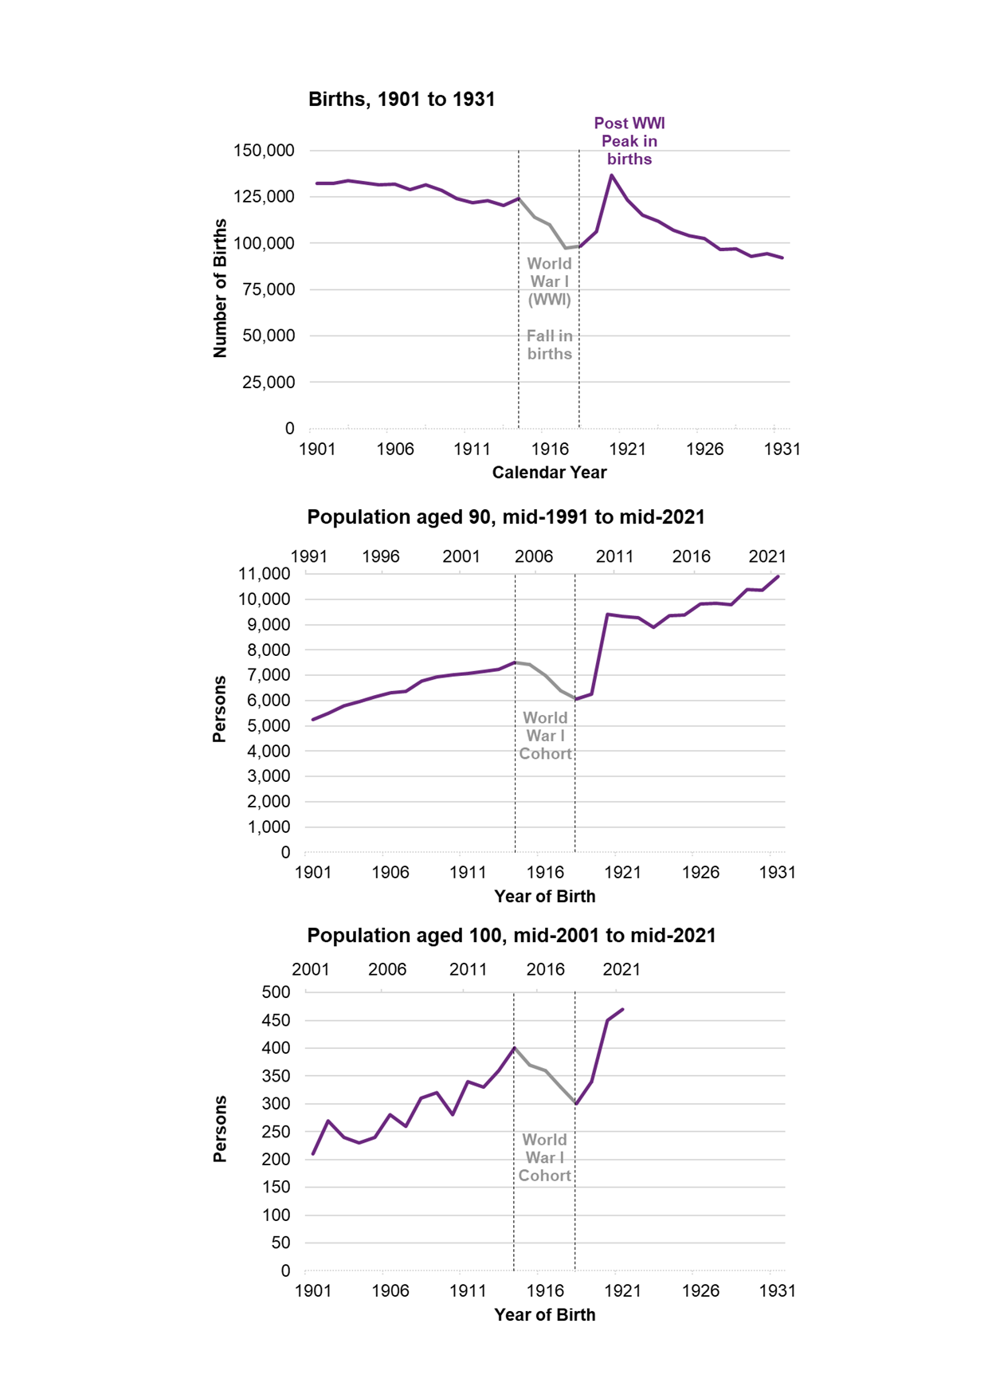
Chart 6: Number of births from 1901 to 1931 and corresponding population at 90 and 100 years of age, Scotland: mid-2021
Back to Table of contents

