Figure 5.1
Figure 5.1: Net migration, mid-1958 to mid-2018
 | Net migration (thousands)
1957-58 | -25.4
1958-59 | -20.3
1959-60 | -28.5
1960-61 | -34.6
1961-62 | -29.0
1962-63 | -33.9
1963-64 | -39.1
1964-65 | -39.1
1965-66 | -43.2
1966-67 | -43.1
1967-68 | -32.0
1968-69 | -23.9
1969-70 | -20.1
1970-71 | -21.7
1971-72 | -28.6
1972-73 | -11.7
1973-74 | -3.0
1974-75 | -20.0
1975-76 | -5.8
1976-77 | -10.8
1977-78 | -17.3
1978-79 | -14.6
1979-80 | -16.3
1980-81 | -23.1
1981-82 | -16.9
1982-83 | -19.7
1983-84 | -12.0
1984-85 | -15.0
1985-86 | -17.6
1986-87 | -18.0
1987-88 | -27.2
1988-89 | -2.9
1989-90 | 5.0
1990-91 | -1.9
1991-92 | -1.9
1992-93 | 4.7
1993-94 | 9.4
1994-95 | 2.4
1995-96 | -7.2
1996-97 | -7.5
1997-98 | -5.7
1998-99 | -2.2
1999-00 | -3.6
2000-01 | 5.2
2001-02 | 6.3
2002-03 | 5.6
2003-04 | 18.6
2004-05 | 25.3
2005-06 | 18.8
2006-07 | 33.0
...

Figure 5.2
Figure 5.2: Natural change and net migration, Scotland, mid-1969 to mid-2018

 | Net Migration | Natural Change
1968-69 | -23900 | 30300
1969-70 | -20100 | 23300
1970-71 | -21700 | 26100
1971-72 | -28600 | 18800
1972-73 | -11700 | 12400
1973-74 | -3000 | 6800
1974-75 | -20000 | 4600
1975-76 | -5800 | 2700
1976-77 | -10800 | -1100
1977-78 | -17300 | -1000
1978-79 | -14600 | 1800
1979-80 | -16300 | 4300
1980-81 | -23100 | 6600
1981-82 | -16900 | 1500
1982-83 | -19700 | 1800
1983-84 | -12000 | 1400
1984-85 | -15000 | 3700
1985-86 | -17600 | 1600
1986-87 | -18000 | 4700
1987-88 | -27200 | 4900
1988-89 | -2900 | 3100
1989-90 | 5000 | -1400
1990-91 | -1900 | 5800
1991-92 | -1900 | 5900
1992-93 | 4700 | 2400
1993-94 | 9400 | 500
1994-95 | 2400 | 900
1995-96 | -7200 | -2300
1996-97 | -7500 | 100
1997-98 | -5700 | -500
1998-99 | -2200 | -3700
1999-00 | -3600 | -5700
2000-01 | 5200 | -3900
2001-02 | 6300 | -6100
2002-03 | 5600 | -6500
2003-04 | 18600 | -4000
2004-05 | 25300 | -2300
2005-06 | 18800 | -300
2006-07 | 33000 | 1100
2007-08 | 26400 | 3900
2008-09 | 24400 | 4600
2009-10 | 26100 | 5200
2010-11 | 30200 | 4800
2011-12 | 12700 | 4200
2012-13 | 10000 | 900
2013-14 | 17600 | 3500
2014-15 | 28000 | -2000
2015-16 | 31700 | -800
2016-17 | 23900 | -3800
2017-18 | 20900 | -7700
1968-69 to 1977-78
 | 1968-69 to 1977-78
Net Migration | 0
Natural Change | 1
1978-79 to 1987-88
 | 1978-79 to 1987-88 -
 | 0
1988-89 to 1997-98
1978-79 to 1987-88 | 0
1998-99 to 2007-08
 | 1998-99 to 2007-08
 | 1
 | 0
2008-09 to 2017-18
 | 2008-09 to 2017-18
 | 0.96203071672
 | 0.037969283276
+3.9%
+0.1%
-2.4%
0.0%
+2.6%
Source of population growth
Net
Migration
Natural
Change
Percentage
Growth

Figure 5.4
Figure 5.4: Migration between Scotland, rest of the UK and overseas, mid-1998 to mid-2018
 | Out to the rest of the UK | In from the rest of the UK | Out to overseas | In from overseas
1997-98 | 53,400 | 54,600 | 26,000 | 17,000
1998-99 | 53,500 | 50,400 | 20,000 | 21,000
1999-00 | 55,400 | 48,700 | 15,000 | 27,000
2000-01 | 51,500 | 54,900 | 22,000 | 30,000
2001-02 | 49,700 | 54,400 | 26,200 | 27,800
2002-03 | 47,300 | 54,300 | 26,900 | 25,500
2003-04 | 46,400 | 61,900 | 25,400 | 28,500
2004-05 | 44,800 | 57,300 | 29,000 | 41,800
2005-06 | 44,400 | 53,300 | 31,400 | 41,300
2006-07 | 42,700 | 51,500 | 20,900 | 45,100
2007-08 | 41,800 | 53,300 | 30,300 | 45,200
2008-09 | 41,300 | 45,400 | 24,800 | 45,100
2009-10 | 41,700 | 45,000 | 24,600 | 47,400
2010-11 | 40,800 | 43,700 | 16,900 | 44,200
2011-12 | 42,100 | 45,100 | 26,200 | 35,900
2012-13 | 39,800 | 47,700 | 26,100 | 28,200
2013-14 | 39,700 | 49,200 | 25,200 | 33,200
2014-15 | 38,800 | 47,200 | 18,200 | 37,800
2015-16 | 37,500 | 46,300 | 17,500 | 40,400
2016-17 | 37,100 | 47,600 | 19,500 | 32,900
2017-18 | 37,700 | 47,700 | 22,000 | 32,900

Figure 5.5
Figure 5.5: Movements between Scotland and the rest of the UK by age group, year to mid-2018
 | Moves from Scotland | Moves to Scotland
0-15 | -4552 | 6200
16-24 | -9239 | 11770
25-34 | -10734 | 11135
35-44 | -4644 | 6091
45-54 | -3300 | 4837
55-64 | -2544 | 4083
65-74 | -1671 | 2273
75-84 | -688 | 822
85+ | -301 | 443

Figure 5.6
Figure 5.6: Movements between Scotland and overseas areas by age-group, year to mid-2018
 | Moves from Scotland | Moves to Scotland
0-15 | -2944 | 4594
16-24 | -5478 | 12400
25-34 | -7580 | 9779
35-44 | -2770 | 3432
45-54 | -1451 | 1457
55-64 | -949 | 753
65-74 | -552 | 369
75-84 | -202 | 107
85+ | -74 | 28

Figure 5.7
Figure 5.7: Total net migration, council areas, year to mid-2018
Glasgow City | 5360
City of Edinburgh | 4620
Renfrewshire | 1340
South Lanarkshire | 1300
Fife | 1240
East Lothian | 1150
Midlothian | 1090
Highland | 970
Scottish Borders | 680
Perth and Kinross | 660
West Lothian | 580
North Lanarkshire | 550
East Renfrewshire | 520
Stirling | 510
South Ayrshire | 500
Falkirk | 430
Dumfries and Galloway | 380
East Dunbartonshire | 370
Dundee City | 350
Orkney Islands | 250
East Ayrshire | 230
Angus | 200
Moray | 50
North Ayrshire | 50
Na h-Eileanan Siar | 20
Clackmannanshire | -30
Argyll and Bute | -80
Shetland Islands | -80
Inverclyde | -180
West Dunbartonshire | -210
Aberdeenshire | -600
Aberdeen City | -1320

Figure 5.8
Figure 5.8: Origin of in-migrants by council area, year to mid-2018
 | Within Scotland | Rest of UK | Overseas
City of Edinburgh | 38 | 33 | 29
Dumfries and Galloway | 41 | 53 | 6
Orkney Islands | 48 | 46 | 6
Glasgow City | 50 | 21 | 29
Shetland Islands | 53 | 37 | 10
Argyll and Bute | 53 | 40 | 7
Highland | 55 | 35 | 10
Aberdeen City | 56 | 17 | 28
Moray | 57 | 36 | 7
Scottish Borders | 57 | 37 | 6
Fife | 59 | 27 | 14
Dundee City | 61 | 20 | 19
Na h-Eileanan Siar | 63 | 32 | 6
Stirling | 67 | 21 | 12
Perth and Kinross | 69 | 20 | 11
Inverclyde | 71 | 24 | 5
West Lothian | 74 | 16 | 11
South Ayrshire | 74 | 20 | 6
Aberdeenshire | 74 | 17 | 8
North Ayrshire | 74 | 21 | 4
East Lothian | 75 | 16 | 9
Clackmannanshire | 75 | 18 | 6
Falkirk | 77 | 15 | 8
Renfrewshire | 78 | 12 | 10
Angus | 78 | 16 | 6
East Ayrshire | 79 | 18 | 3
North Lanarkshire | 79 | 15 | 6
South Lanarkshire | 80 | 15 | 5
West Dunbartonshire | 83 | 13 | 4
Midlothian | 84 | 11 | 5
East Dunbartonshire | 85 | 13 | 3
East Renfrewshire | 87 | 10 | 3
 | 0

Figure 5.9
Figure 5.9: Destination of out-migrants by council area, year to mid-2018
 | Within Scotland | Rest of UK | Overseas
Dumfries and Galloway | 52 | 37 | 12
City of Edinburgh | 54 | 28 | 18
Scottish Borders | 57 | 33 | 10
Moray | 59 | 30 | 11
Fife | 62 | 25 | 13
Highland | 64 | 25 | 11
Glasgow City | 65 | 19 | 16
Orkney Islands | 65 | 25 | 10
Aberdeen City | 65 | 20 | 15
Argyll and Bute | 65 | 24 | 10
Shetland Islands | 67 | 22 | 11
Dundee City | 72 | 17 | 11
Aberdeenshire | 73 | 19 | 8
Perth and Kinross | 73 | 17 | 10
Stirling | 74 | 16 | 10
Na h-Eileanan Siar | 74 | 18 | 8
East Lothian | 75 | 18 | 8
Inverclyde | 76 | 16 | 8
Renfrewshire | 76 | 15 | 9
South Ayrshire | 77 | 15 | 8
North Ayrshire | 77 | 16 | 8
Angus | 77 | 16 | 7
South Lanarkshire | 77 | 15 | 8
Falkirk | 77 | 15 | 8
Clackmannanshire | 77 | 15 | 8
West Lothian | 78 | 15 | 7
East Ayrshire | 78 | 15 | 7
North Lanarkshire | 78 | 13 | 9
Midlothian | 79 | 15 | 6
East Dunbartonshire | 80 | 13 | 7
West Dunbartonshire | 82 | 12 | 6
East Renfrewshire | 82 | 13 | 5

Figure 5.10
Figure 5.10: Number of EU and Non-EU nationals living in Scotland, 2018
 | EU8 | EU14 | EU2 | EU Other | Rest of the World | Asia | Other Europe
Non-EU | 0 | 0 | 0 | 0 | 61 | 58 | 12
Non-EU | 122 | 82 | 15 | 2 | 0 | 0 | 0

Figure 5.11
Figure 5.11: Most common EU and Non-EU nationalities, Scotland, 2018
Canada | 6000
China | 10000
USA | 11000
India | 12000
Pakistan | 15000
France | 12000
Italy | 12000
Lithuania | 15000
R.O.Ireland | 20000
Poland | 87000

Figure 5.12
Figure 5.12: Population who are non-British nationals (percentage), 2018
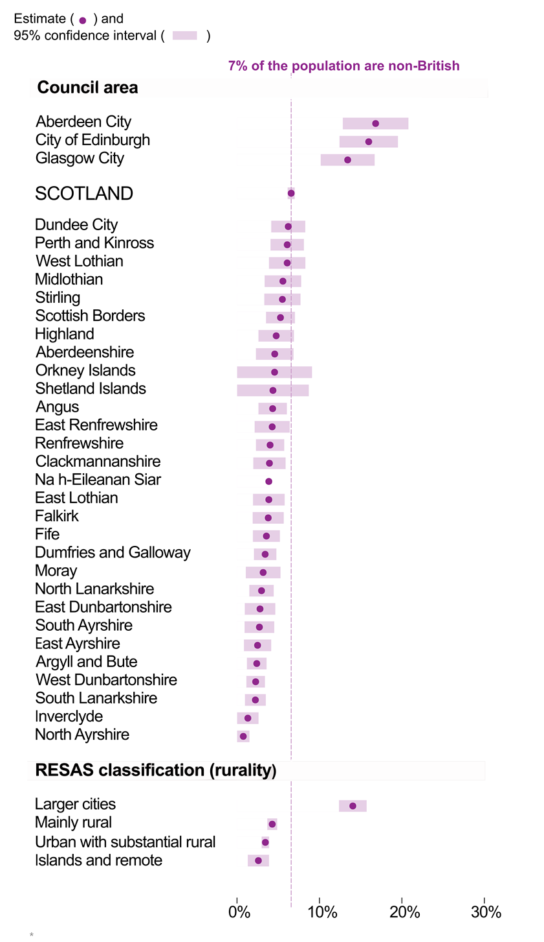

© Crown Copyright 2019

