Infographic_figure_1
Infographic Figure 1: Population distribution of settlements in Scotland, mid-2020
Refer to Note 1 in the Notes worksheet.
Back to table of contents
 | Frequency [Note 1]
 | 0
0 - 1,000 | 133
1,001 - 2,000 | 136
2,001 - 3,000 | 63
3,001 - 4,000 | 40
4,001 - 5,000 | 20
5,001 - 6,000 | 16
6,001 - 7,000 | 10
7,001 - 8,000 | 10
8,001 - 9,000 | 10
9,001- 10,000 | 7
10,001 - 11,000 | 9
11,001 - 12,000 | 5
12,001 - 13,000 | 6
13,001 - 14,000 | 1
14,001 - 15,000 | 5
15,001 - 16,000 | 3
16,001 - 17,000 | 4
17,001 - 18,000 | 0
18,001 - 19,000 | 1
19,001 - 20,000 | 2
20,001 - 21,000 | 1
21,001 - 22,000 | 1
22,001 - 23,000 | 0
23,001 - 24,000 | 1
24,001 - 25,000 | 1
25,001 - 26,000 | 2
26,001 - 27,000 | 0
27,001 - 28,000 | 0
28,001 - 29,000 | 0
29,001 - 30,000 | 2

Figure_1
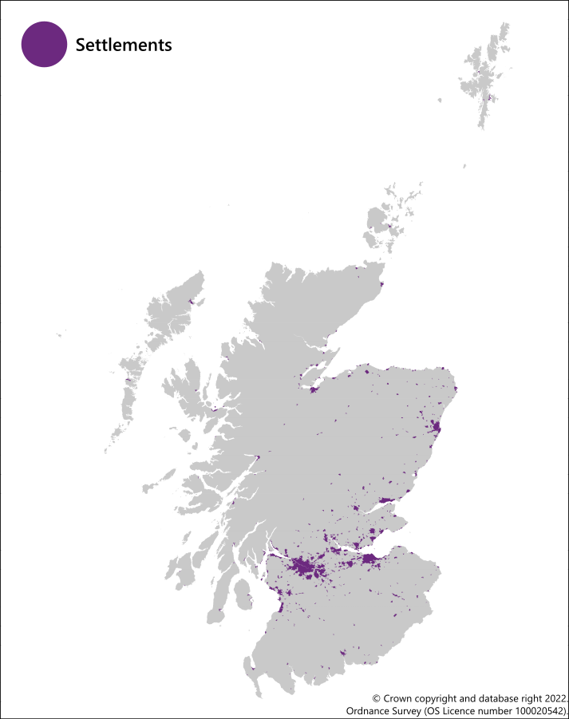
Figure 1: Settlements in Scotland, mid-2020
Back to table of contents

Figure_2
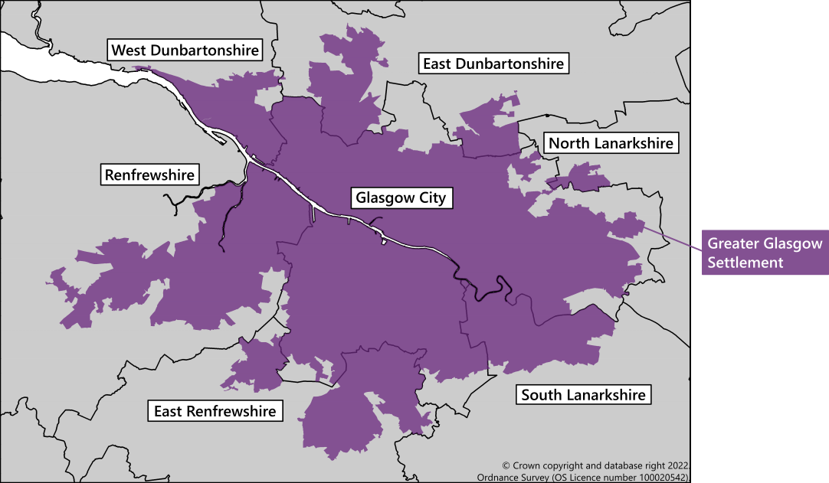
Figure 2: Greater Glasgow settlement and its council areas, mid-2020
Back to table of contents

Figure_3
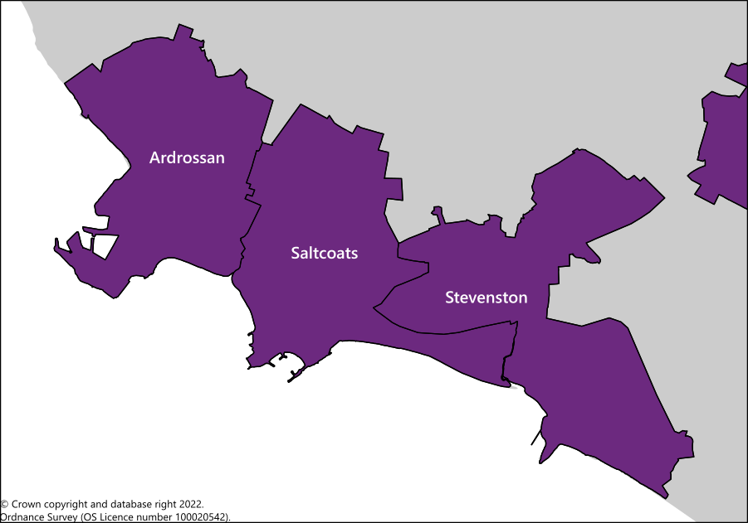
Figure 3: Saltcoats settlement and its localities, mid-2020
Back to table of contents

Figure_4
Figure 4: Number of settlements in Scotland by council area, mid-2020
Refer to Note 2 in the Notes worksheet.
Back to table of contents

 | Number of settlements [Note 2]
Dundee City | 2
Na h-Eileanan Siar | 2
Aberdeen City | 3
Glasgow City | 3
Orkney Islands | 3
Shetland Islands | 3
West Dunbartonshire | 3
City of Edinburgh | 5
East Renfrewshire | 5
Inverclyde | 5
East Dunbartonshire | 6
Clackmannanshire | 7
Midlothian | 7
Renfrewshire | 8
Falkirk | 10
South Ayrshire | 13
Angus | 15
North Ayrshire | 15
Stirling | 17
East Lothian | 18
West Lothian | 18
Argyll and Bute | 20
Moray | 21
East Ayrshire | 22
North Lanarkshire | 22
Dumfries and Galloway | 25
South Lanarkshire | 26
Scottish Borders | 28
Perth and Kinross | 37
Highland | 45
Fife | 50
Aberdeenshire | 62

Figure_5
Figure 5: Proportion of population living in settlements by council area, Scotland, mid-2020
Back to table of contents

 | Settlement | Non-settlement
Na h-Eileanan Siar | 29.4% | 70.6%
Shetland Islands | 38.0% | 62.0%
Orkney Islands | 43.7% | 56.3%
Dumfries and Galloway | 68.1% | 31.9%
Highland | 68.8% | 31.2%
Argyll and Bute | 70.9% | 29.1%
Aberdeenshire | 72.1% | 27.9%
Scottish Borders | 74.0% | 26.0%
Moray | 78.8% | 21.2%
Perth and Kinross | 79.5% | 20.5%
Angus | 80.6% | 19.4%
Stirling | 88.7% | 11.3%
East Lothian | 90.1% | 9.9%
South Ayrshire | 90.4% | 9.6%
East Ayrshire | 92.2% | 7.8%
Midlothian | 93.7% | 6.3%
Fife | 94.5% | 5.5%
South Lanarkshire | 94.6% | 5.4%
North Ayrshire | 95.6% | 4.4%
Falkirk | 96.4% | 3.6%
West Lothian | 96.4% | 3.6%
Clackmannanshire | 96.5% | 3.5%
East Dunbartonshire | 98.2% | 1.8%
East Renfrewshire | 98.3% | 1.7%
North Lanarkshire | 98.7% | 1.3%
West Dunbartonshire | 98.7% | 1.3%
Renfrewshire | 98.8% | 1.2%
Aberdeen City | 98.8% | 1.2%
Inverclyde | 98.9% | 1.1%
City of Edinburgh | 99.6% | 0.4%
Dundee City | 99.8% | 0.2%
Glasgow City | 99.8% | 0.2%

Figure_6
Figure 6: Settlements in Scotland with the highest proportion of population aged under 16, mid-2020
Refer to Note 3 in the Notes worksheet.
Back to table of contents

 | Under 16 | 16-64 | 65 and over
Morningside (North Lanarkshire) | 24.9% | 62.2% | 13.0%
Inchture (Perth and Kinross) | 25.9% | 57.8% | 16.3%
Kinloss (Moray) | 26.3% | 67.6% | 6.1%
Kingseat (Aberdeenshire) | 29.8% | 65.9% | 4.3%
Forgandenny (Perth and Kinross) | 41.3% | 53.2% | 5.5%

Figure_7
Figure 7: Settlements in Scotland with the highest proportion of population aged 16-64, mid-2020
Refer to Note 3 in the Notes worksheet.
Back to table of contents

 | Under 16 | 16-64 | 65 and over
Edinburgh (City of Edinburgh) | 14.8% | 69.9% | 15.3%
Gartloch (Glasgow City) | 23.2% | 71.1% | 5.7%
Dullatur (North Lanarkshire) | 14.3% | 71.9% | 13.8%
St Andrews (Fife) | 7.0% | 77.1% | 15.9%
Garelochhead (Argyll and Bute) | 8.0% | 85.3% | 6.8%

Figure_8
Figure 8: Settlements in Scotland with the highest proportion of population aged 65 and over, mid-2020
Refer to Note 3 in the Notes worksheet.
Back to table of contents

 | Under 16 | 16-64 | 65 and over
Millport (North Ayrshire) | 7.9% | 53.8% | 38.2%
Gatehouse of Fleet (Dumfries and Galloway) | 11.0% | 49.8% | 39.2%
Innellan (Argyll and Bute) | 11.5% | 49.1% | 39.4%
Edzell (Angus) | 11.7% | 48.8% | 39.5%
Elie and Earlsferry (Fife) | 7.8% | 46.1% | 46.1%

