Figure 5.1
Figure 5.1: Net migration1, 1955-56 to 2015-16
 | Net migration | Reference
1955-56 | -27.2 | 0
1956-57 | -33.1 | 0
1957-58 | -25.4 | 0
1958-59 | -20.3 | 0
1959-60 | -28.5 | 0
1960-61 | -34.6 | 0
1961-62 | -29.0 | 0
1962-63 | -33.9 | 0
1963-64 | -39.1 | 0
1964-65 | -39.1 | 0
1965-66 | -43.2 | 0
1966-67 | -43.1 | 0
1967-68 | -32.0 | 0
1968-69 | -23.9 | 0
1969-70 | -20.1 | 0
1970-71 | -21.7 | 0
1971-72 | -28.6 | 0
1972-73 | -11.7 | 0
1973-74 | -3.0 | 0
1974-75 | -20.0 | 0
1975-76 | -5.8 | 0
1976-77 | -10.8 | 0
1977-78 | -17.3 | 0
1978-79 | -14.6 | 0
1979-80 | -16.3 | 0
1980-81 | -23.1 | 0
1981-82 | -16.9 | 0
1982-83 | -19.7 | 0
1983-84 | -12.0 | 0
1984-85 | -15.0 | 0
1985-86 | -17.6 | 0
1986-87 | -18.0 | 0
1987-88 | -27.2 | 0
1988-89 | -2.9 | 0
1989-90 | 5.0 | 0
1990-91 | -1.9 | 0
1991-92 | -1.9 | 0
1992-93 | 4.7 | 0
1993-94 | 9.4 | 0
1994-95 | 2.4 | 0
1995-96 | -7.2 | 0
1996-97 | -7.5 | 0
1997-98 | -5.7 | 0
1998-99 | -2.2 | 0
1999-00 | -3.6 | 0
2000-01 | 5.2 | 0
2001-02 | 6.3 | 0
2002-03 | 5.6 | 0
2003-04 | 18.6 | 0
2004-05 | 25.3 | 0
...

Figure 5.2
Figure 5.2: Movements to/from the rest of the UK and overseas, 1996 to 2016
 | In from the rest of the UK | Out to the rest of the UK | In from overseas | Out to overseas
1995-1996 | 47,900 | 53,100 | 12,000 | 16,000
1996-1997 | 49,500 | 54,100 | 16,000 | 22,000
1997-1998 | 54,600 | 53,400 | 17,000 | 26,000
1998-1999 | 50,400 | 53,500 | 21,000 | 20,000
1999-2000 | 48,700 | 55,400 | 27,000 | 15,000
2000-2001 | 54,900 | 51,500 | 30,000 | 22,000
2001-2002 | 54,400 | 49,700 | 27,800 | 26,200
2002-2003 | 54,300 | 47,300 | 25,500 | 26,900
2003-2004 | 61,900 | 46,400 | 28,500 | 25,400
2004-2005 | 57,300 | 44,800 | 41,800 | 29,000
2005-2006 | 53,300 | 44,400 | 41,300 | 31,400
2006-2007 | 51,500 | 42,700 | 45,100 | 20,900
2007-2008 | 53,300 | 41,800 | 45,200 | 30,300
2008-2009 | 45,400 | 41,300 | 45,100 | 24,800
2009-2010 | 45,000 | 41,700 | 47,400 | 24,600
2010-2011 | 43,700 | 40,800 | 44,200 | 16,900
2011-2012 | 45,100 | 42,100 | 35,900 | 26,200
2012-2013 | 47,700 | 39,800 | 28,200 | 26,100
2013-2014 | 49,200 | 39,700 | 33,200 | 25,200
2014-2015 | 47,200 | 38,800 | 37,800 | 18,200
2015-2016 | 46,300 | 37,500 | 40,400 | 17,500

Figure 5.3
Figure 5.3: Estimated net migration with the rest of the UK and overseas, 1994-95 to latest
 | Net Rest of the UK | Net Overseas
1994-1995 | -300 | -3,000
1995-1996 | -5,200 | -4,000
1996-1997 | -4,600 | -6,000
1997-1998 | 1,200 | -9,000
1998-1999 | -3,100 | 1,000
1999-2000 | -6,700 | 12,000
2000-2001 | 3,400 | 8,000
2001-2002 | 4,700 | 1,600
2002-2003 | 7,000 | -1,400
2003-2004 | 15,500 | 3,100
2004-2005 | 12,500 | 12,800
2005-2006 | 8,900 | 9,900
2006-2007 | 8,800 | 24,200
2007-2008 | 11,500 | 14,900
2008-2009 | 4,100 | 20,300
2009-2010 | 3,300 | 22,800
2010-2011 | 2,900 | 27,300
2011-2012 | 3,000 | 9,700
2012-2013 | 7,900 | 2,100
2013-2014 | 9,500 | 8,000
2014-2015 | 8,400 | 19,600
2015-2016 | 8,793 | 22,900

Figure 5.4
Figure 5.4: Migrants to Scotland by age group, 2010-2016
 | 0-15 | 16-24 | 25-44 | 45-64 | 65+
2009-10 | 12,428 | 29,684 | 37,197 | 10,062 | 3,036
2010-11 | 11,821 | 28,335 | 34,858 | 9,881 | 2,991
2011-12 | 10,866 | 24,766 | 32,618 | 9,740 | 3,026
2012-13 | 10,668 | 22,364 | 29,825 | 9,874 | 3,154
2013-14 | 11,579 | 23,516 | 32,806 | 10,838 | 3,703
2014-15 | 11,463 | 25,523 | 33,735 | 10,721 | 3,512
2015-16 | 12,027 | 25,698 | 34,219 | 11,077 | 3,684

Figure 5.5
Figure 5.5: Migrants to Scotland by age and sex, relative to the population as a whole, mid-2015 to mid-2016
 | 2015/16 Migrants | Female Total | Females | Males
0 | 28697 | 26819 | 26437 | -28322
1 | 29017 | 27567 | 26952 | -28401
2 | 29377 | 27788 | 27249 | -28764
3 | 29728 | 28504 | 28002 | -29227
4 | 30708 | 29033 | 28584 | -30205
5 | 31533 | 30162 | 29763 | -31085
6 | 29946 | 28855 | 28495 | -29543
7 | 30653 | 29683 | 29319 | -30297
8 | 30586 | 29598 | 29278 | -30224
9 | 29574 | 28272 | 27976 | -29259
10 | 28838 | 27796 | 27520 | -28505
11 | 28885 | 27257 | 27019 | -28616
12 | 28344 | 26739 | 26508 | -28089
13 | 27231 | 26167 | 25941 | -27015
14 | 27083 | 26038 | 25805 | -26872
15 | 28196 | 27243 | 27026 | -27982
16 | 29300 | 27563 | 27328 | -29082
17 | 30279 | 28702 | 28431 | -30066
18 | 31162 | 29789 | 28920 | -30614
19 | 33677 | 32749 | 29803 | -31720
20 | 34653 | 33871 | 31623 | -33273
21 | 35175 | 34923 | 33043 | -33975
22 | 36261 | 36314 | 34322 | -34894
23 | 36791 | 37631 | 35206 | -35147
24 | 38808 | 39540 | 37545 | -37313
25 | 39073 | 38982 | 37281 | -37518
26 | 37445 | 37498 | 35849 | -36055
27 | 37102 | 37318 | 35911 | -35814
28 | 36957 | 37556 | 36231 | -35764
29 | 35572 | 36621 | 35429 | -34450
30 | 35467 | 36099 | 35084 | -34457
31 | 34774 | 36312 | 35313 | -33863
32 | 33786 | 35089 | 34201 | -32863
33 | 34032 | 35723 | 34878 | -33146
34 | 34246 | 36385 | 35640 | -33473
35 | 34347 | 35753 | 35101 | -33574
36 | 33701 | 34995 | 34382 | -32998
37 | 32926 | 33471 | 32951 | -32262
38 | 30125 | 31663 | 31132 | -29569
39 | 30169 | 30603 | 30186 | -29635
40 | 31504 | 32622 | 32204 | -31005
41 | 31398 | 33160 | 32751 | -30964
42 | 32214 | 33272 | 32925 | -31776
43 | 34054 | 35532 | 35131 | -33626
44 | 35759 | 38123 | 37785 | -35354
45 | 36884 | 39905 | 39556 | -36479
46 | 36481 | 39222 | 38917 | -36096
47 | 37985 | 40801 | 40491 | -37600
48 | 38668 | 41543 | 41231 | -38323
49 | 39404 | 41358 | 41046 | -39040
...

Figure 5.6
Figure 5.6: Movements between Scotland and the rest of the UK, by age, 2015-16
 | Moves to Scotland | Moves from Scotland | Net Migration
0 | 376 | 216 | 160
1 | 663 | 422 | 241
2 | 632 | 459 | 173
3 | 531 | 411 | 120
4 | 489 | 387 | 102
5 | 418 | 342 | 76
6 | 389 | 322 | 67
7 | 389 | 286 | 103
8 | 370 | 285 | 85
9 | 341 | 236 | 105
10 | 322 | 236 | 86
11 | 278 | 240 | 38
12 | 250 | 200 | 50
13 | 232 | 170 | 62
14 | 229 | 190 | 39
15 | 215 | 142 | 73
16 | 226 | 174 | 52
17 | 249 | 219 | 30
18 | 715 | 492 | 223
19 | 3,174 | 974 | 2,200
20 | 1,792 | 871 | 921
21 | 1,188 | 830 | 358
22 | 1,311 | 1,422 | -111
23 | 1,537 | 1,966 | -429
24 | 1,362 | 1,805 | -443
25 | 1,358 | 1,579 | -221
26 | 1,291 | 1,451 | -160
27 | 1,233 | 1,203 | 30
28 | 1,196 | 1,159 | 37
29 | 1,159 | 995 | 164
30 | 1,015 | 962 | 53
31 | 1,018 | 886 | 132
32 | 972 | 805 | 167
33 | 960 | 788 | 172
34 | 855 | 681 | 174
35 | 802 | 665 | 137
36 | 782 | 665 | 117
37 | 688 | 594 | 94
38 | 655 | 480 | 175
39 | 562 | 448 | 114
40 | 544 | 450 | 94
41 | 514 | 420 | 94
42 | 493 | 395 | 98
43 | 552 | 402 | 150
44 | 521 | 392 | 129
45 | 518 | 378 | 140
46 | 476 | 365 | 111
47 | 474 | 336 | 138
48 | 473 | 327 | 146
49 | 489 | 364 | 125
...

Figure 5.7
Figure 5.7: Movements between Scotland and overseas, by age, 2015-16
 | Moves to Scotland | Moves from Scotland | Net Migration
0 | 405 | 134 | 271
1 | 601 | 228 | 373
2 | 553 | 221 | 332
3 | 503 | 204 | 299
4 | 491 | 193 | 298
5 | 454 | 174 | 280
6 | 396 | 160 | 236
7 | 348 | 138 | 210
8 | 328 | 136 | 192
9 | 285 | 118 | 167
10 | 304 | 116 | 188
11 | 245 | 105 | 140
12 | 253 | 98 | 155
13 | 230 | 84 | 146
14 | 245 | 90 | 155
15 | 262 | 83 | 179
16 | 308 | 97 | 211
17 | 323 | 101 | 222
18 | 795 | 176 | 619
19 | 1,822 | 286 | 1,536
20 | 1,910 | 373 | 1,537
21 | 1,973 | 613 | 1,360
22 | 2,138 | 757 | 1,381
23 | 2,634 | 891 | 1,743
24 | 2,241 | 905 | 1,336
25 | 2,024 | 985 | 1,039
26 | 1,885 | 865 | 1,020
27 | 1,586 | 741 | 845
28 | 1,433 | 704 | 729
29 | 1,255 | 589 | 666
30 | 1,097 | 525 | 572
31 | 975 | 476 | 499
32 | 913 | 409 | 504
33 | 835 | 383 | 452
34 | 723 | 351 | 372
35 | 683 | 325 | 358
36 | 591 | 299 | 292
37 | 542 | 276 | 266
38 | 470 | 233 | 237
39 | 421 | 215 | 206
40 | 402 | 198 | 204
41 | 358 | 183 | 175
42 | 317 | 176 | 141
43 | 298 | 166 | 132
44 | 241 | 162 | 79
45 | 253 | 149 | 104
46 | 230 | 136 | 94
47 | 234 | 125 | 109
48 | 195 | 119 | 76
49 | 198 | 139 | 59
...

Figure 5.8
Figure 5.8: Components of projected population change, Scotland, 2014-2039

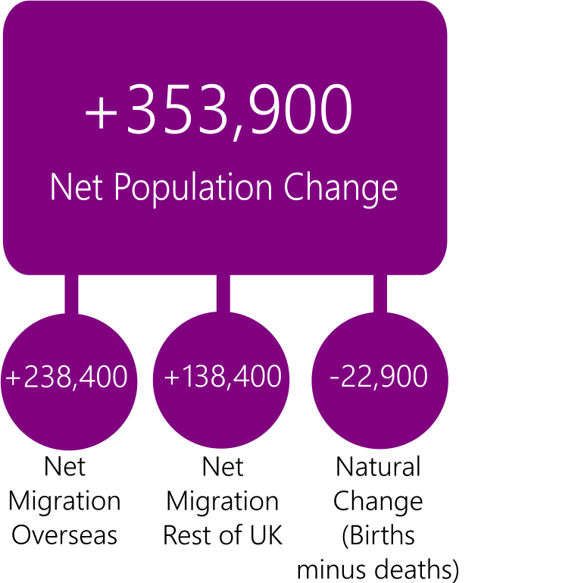

© Crown Copyright 2017

Figure 5.9
Figure 5.9: Percentage change in population from 2014 to 2039, principal and alternative EU migration variant projections
 | Scotland | United Kingdom
150 per cent future EU migration variant | 8.6 | 17.2
Principal | 6.6 | 15.0
50 per cent future EU migration variant | 4.6 | 12.8
Zero future EU migration variant | 2.6 | 10.6

Figure 5.10
Figure 5.10: Projected change in number of children, working age and pension age population, principal and zero future EU migration variants, 2014 to 2039

Children
 | Children
 | 0.09
 | 0.03
 | 0.01
 | -0.05
Working Age
 | Working age
 | 0.11
 | 0.06
 | 0.01
 | -0.03
Total Population
 | Total
 | 0.15
 | 0.11
 | 0.07
 | 0.03

Pension Age
 | 0.33
 | 0.33
 | 0.32
 | 0.28
 | 0.28

© Crown Copyright 2017

Figure 5.13
Figure 5.13: Percentage of the population in each age group by country of birth, Scotland, 2011
 | 0-15 | 16-24 | 25-49 | 50-64 | 65+
All people | 17 | 12 | 34 | 20 | 17
Scotland | 19 | 12 | 32 | 20 | 17
Rest of UK | 8 | 12 | 39 | 23 | 18
EEA | 9 | 18 | 54 | 10 | 9
Non EEA | 9 | 17 | 52 | 14 | 8

